Inputs
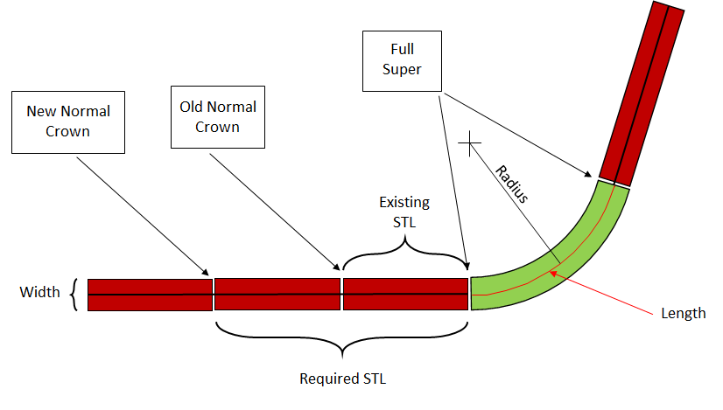
Existing e | 3.8 | Percent
Required e | 7 | Percent
Curve Length | 348.48 | feet
Required STL |  | feet
Existing STL |  | feet
Radius | 933 | feet
Width | 24 | feet

Tonnage | 507.72 | Tons

LEGEND:
Input
Optional Input
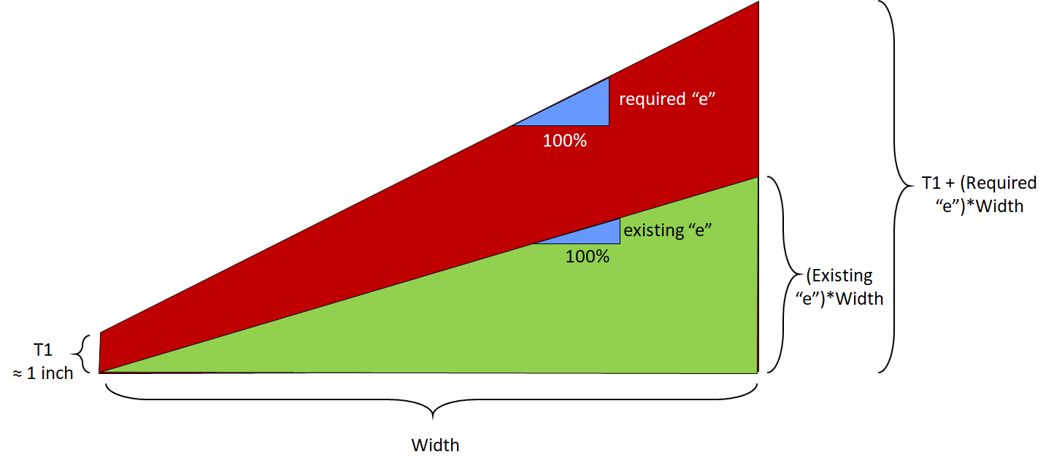
Calculated

NOTE: Optional Input is not
required but it must be left
blank if it is not being used.

